Summary


SPN | T-Mobile #5GBardziej | SPN | T-Mobile #5GBardziej
PHONE MODEL | SM-S916B | PHONE MODEL | SM-S916B
Manufacutrer | samsung | Manufacutrer | samsung
Building Name | Demo Building | Building Name | Demo Building

4G/5G Technology [%]
Total LTE | 1.28
Total 5G-NR | 98.72
4G/5G Technology [%]
Total LTE | 3.14
Total 5G-NR | 96.86

LTE | 100.00
LTE 2CA | 0.00
LTE 3CA | 0.00
LTE #CA | 0.00
5G-NR NSA | 100.00
5G-NR NSA(2CA) | 0.00
5G-NR NSA(3CA) | 0.00
5G-NR NSA(#CA) | 0.00
5G-NR SA | 0.00
5G-NR SA(2CA) | 0.00
5G-NR SA(3CA) | 0.00
5G-NR SA(#CA) | 0.00
LTE | 81.82
LTE 2CA | 0.00
LTE 3CA | 0.00
LTE #CA | 18.18
5G-NR NSA | 100.00
5G-NR NSA(2CA) | 0.00
5G-NR NSA(3CA) | 0.00
5G-NR NSA(#CA) | 0.00
5G-NR SA | 0.00
5G-NR SA(2CA) | 0.00
5G-NR SA(3CA) | 0.00
5G-NR SA(#CA) | 0.00

LTE RSRP (%)
Very Poor (≤ -110 dBm) | 0.51
Poor (-110 ~ -100 dBm) | 43.08
Good/Normal (-100 ~ -80 dBm) | 56.41
Excellent (> -80 dBm) | 0.00
5G RSRP (%)
Very Poor (≤ -110 dBm) | 9.09
Poor (-110 ~ -100 dBm) | 47.27
Good/Normal (-100 ~ -80 dBm) | 43.64
Excellent (> -80 dBm) | 0.00
LTE RSRP (%)
Very Poor (≤ -110 dBm) | 0.00
Poor (-110 ~ -100 dBm) | 0.00
Good/Normal (-100 ~ -80 dBm) | 73.71
Excellent (> -80 dBm) | 26.29
5G RSRP (%)
Very Poor (≤ -110 dBm) | 1.47
Poor (-110 ~ -100 dBm) | 57.52
Good/Normal (-100 ~ -80 dBm) | 41.00
Excellent (> -80 dBm) | 0.00

LTE RSRQ (%)
Very Poor (≤ -15 dB) | 86.67
Poor (-15 ~ -12 dB) | 13.08
Good/Normal (-12 ~ -9 dB) | 0.26
Excellent (> -9 dB) | 0.00
5G RSRQ (%)
Very Poor (≤ -15 dB) | 2.86
Poor (-15 ~ -12 dB) | 48.31
Good/Normal (-12 ~ -9 dB) | 48.83
Excellent (> -9 dB) | 0.00
LTE RSRQ (%)
Very Poor (≤ -15 dB) | 0.00
Poor (-15 ~ -12 dB) | 7.14
Good/Normal (-12 ~ -9 dB) | 77.43
Excellent (> -9 dB) | 15.43
5G RSRQ (%)
Very Poor (≤ -15 dB) | 0.00
Poor (-15 ~ -12 dB) | 6.78
Good/Normal (-12 ~ -9 dB) | 93.22
Excellent (> -9 dB) | 0.00

LTE SINR (%)
Very Poor (≤ 0 dB) | 40.26
Poor (0 ~ 13 dB) | 59.74
Good/Normal (13 ~ 20 dB) | 0.00
Excellent (> 20 dB) | 0.00
5G SINR (%)
Very Poor (≤ 0 dB) | 17.62
Poor (0 ~ 15 dB) | 82.38
Good/Normal (15 ~ 25 dB) | 0.00
Excellent (> 25 dB) | 0.00
LTE SINR (%)
Very Poor (≤ 0 dB) | 0.00
Poor (0 ~ 13 dB) | 41.71
Good/Normal (13 ~ 20 dB) | 58.29
Excellent (> 20 dB) | 0.00
5G SINR (%)
Very Poor (≤ 0 dB) | 0.00
Poor (0 ~ 15 dB) | 100.00
Good/Normal (15 ~ 25 dB) | 0.00
Excellent (> 25 dB) | 0.00

Demo Building_F1-Common
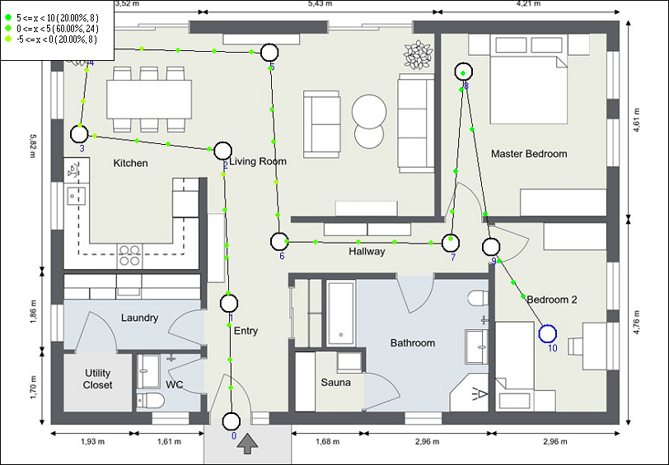
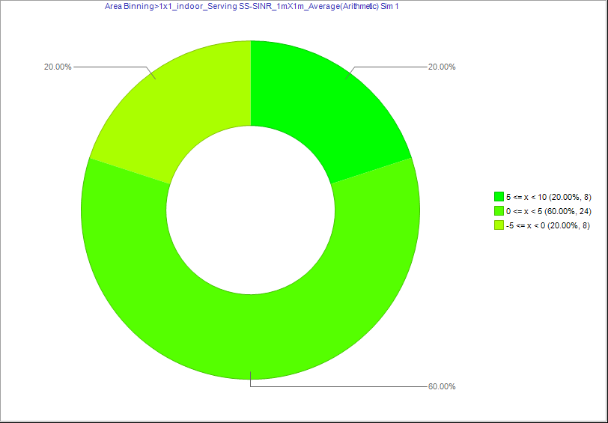

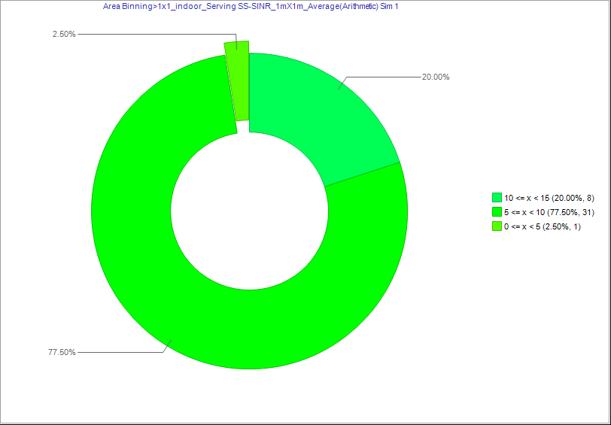
Model 1 : TMOBILE |  | Model 2 : PLAY

Technology | Technology | Technology | Technology
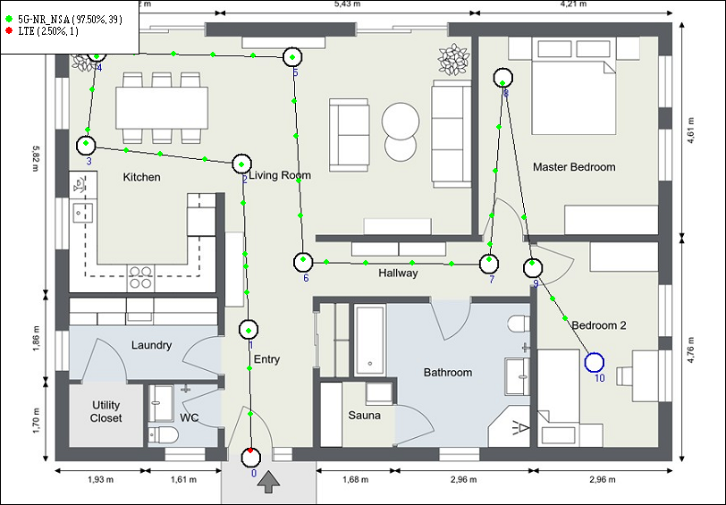
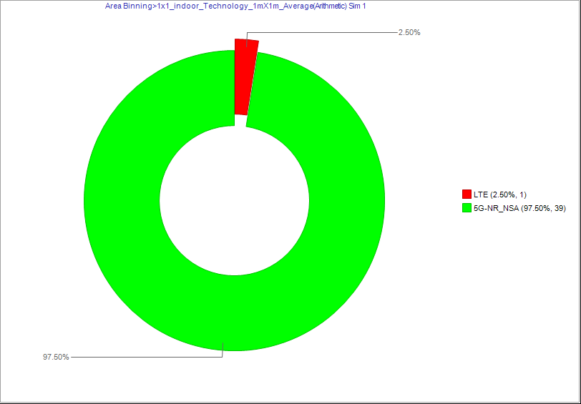



PCell Serving RSRP | PCell Serving RSRP | PCell Serving RSRP | PCell Serving RSRP
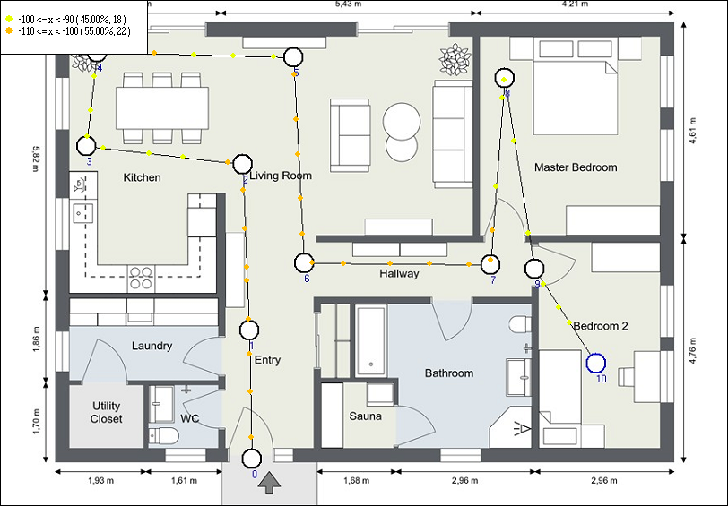
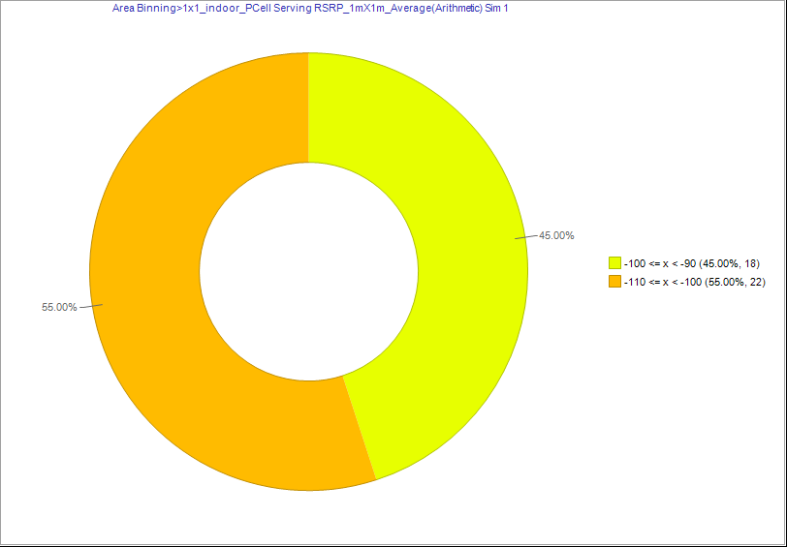
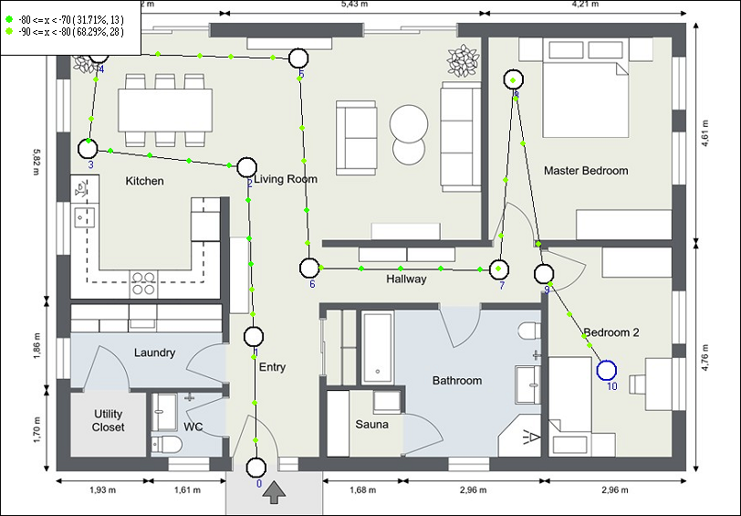
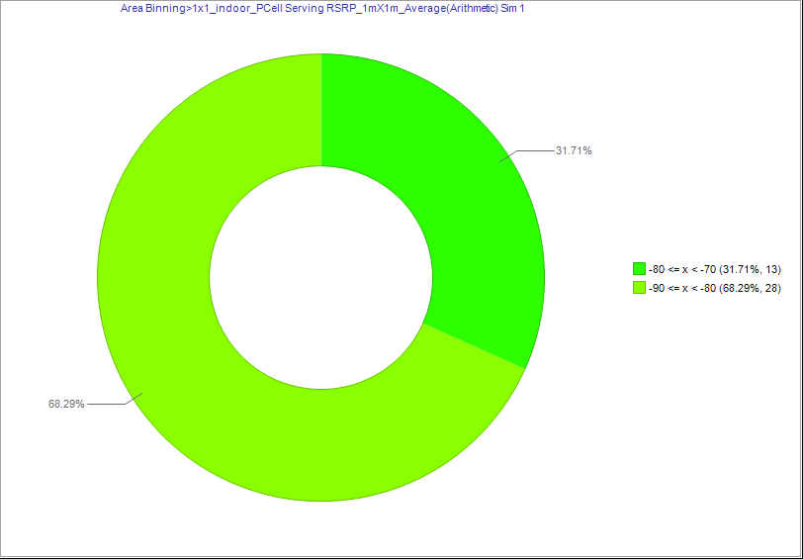

 |  | D_1x1_indoor_PCell Serving RSRP_1mX1m_Average(Arithmetic)_&_1x1_indoor_PCell Serving RSRP_1mX1m_Average(Arithmetic)
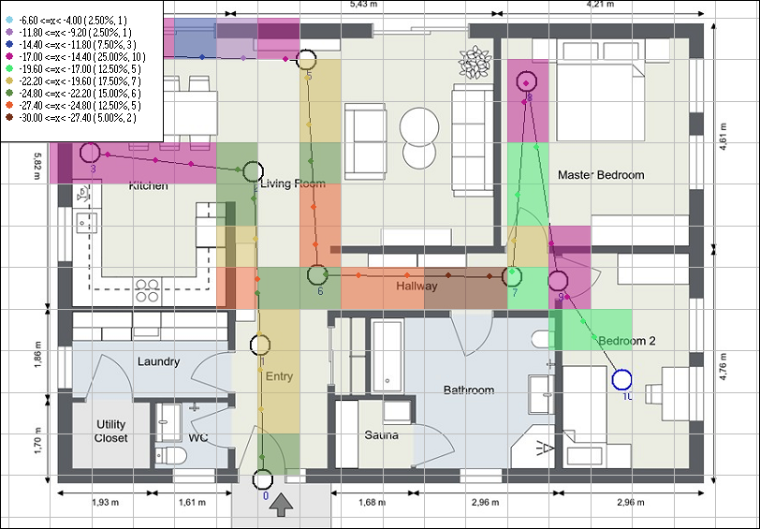

PCell Serving RSRQ | PCell Serving RSRQ | PCell Serving RSRQ | PCell Serving RSRQ
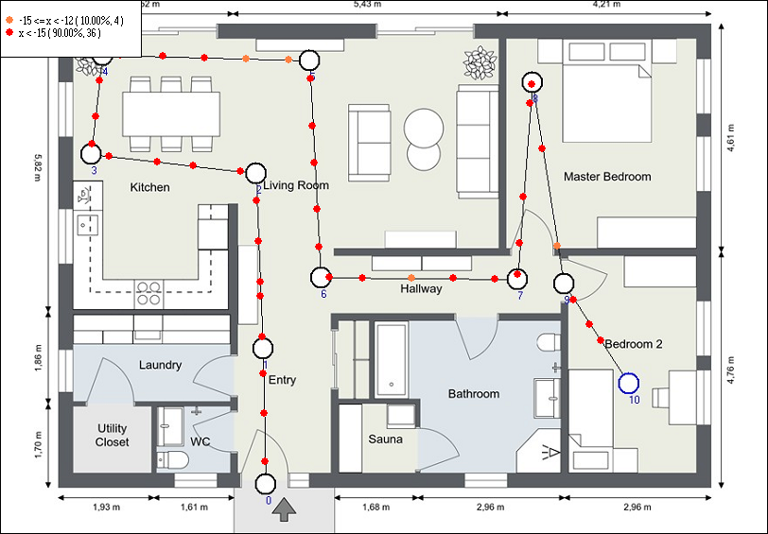
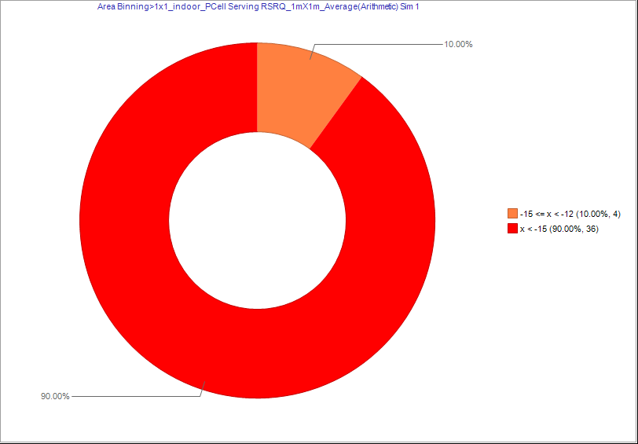
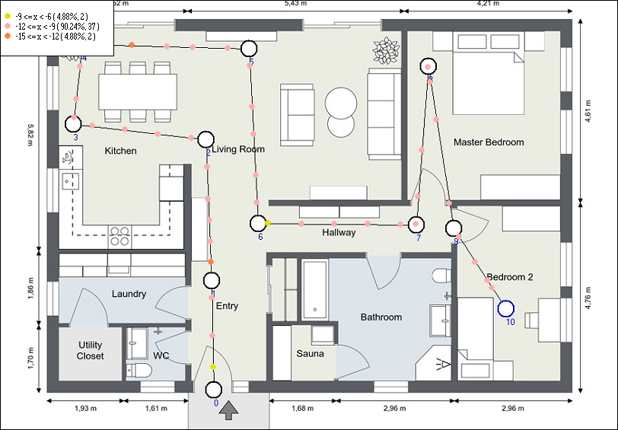
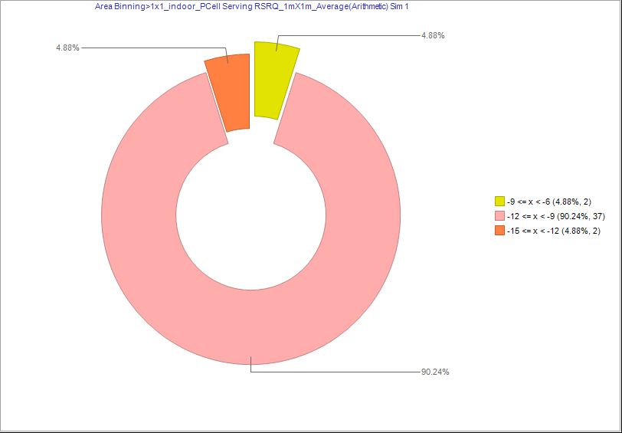

PCell SINR | PCell SINR | PCell SINR | PCell SINR
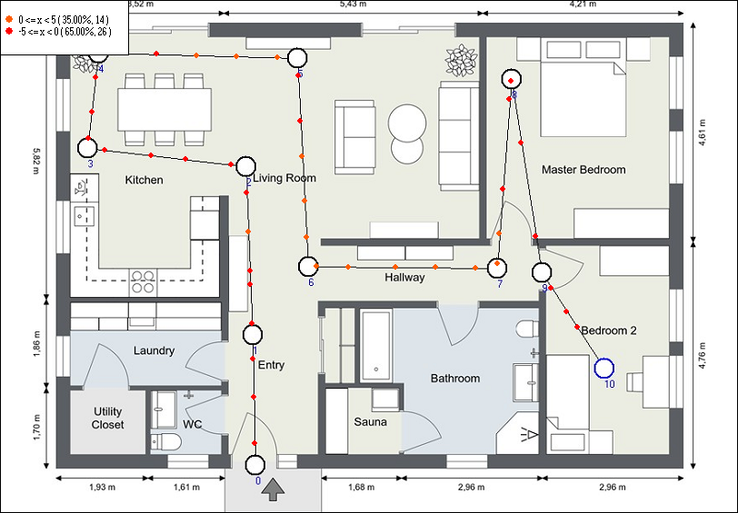
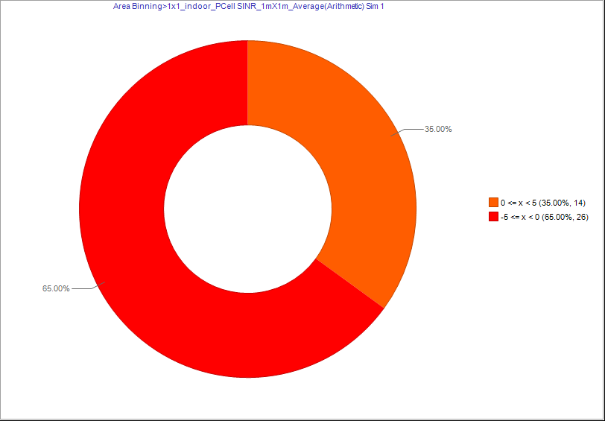
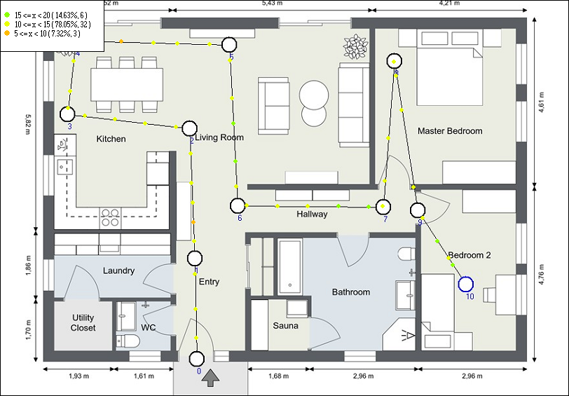
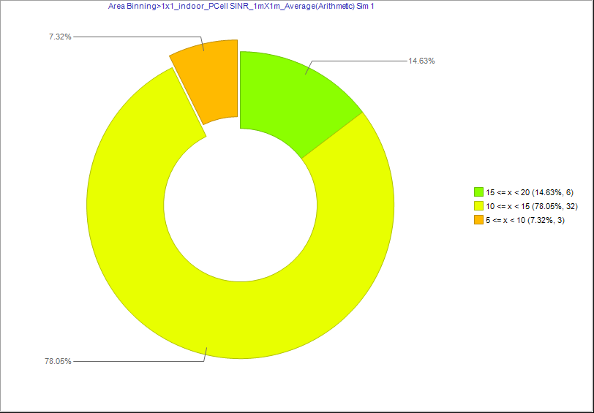

Serving SS-RSRP | Serving SS-RSRP | Serving SS-RSRP | Serving SS-RSRP

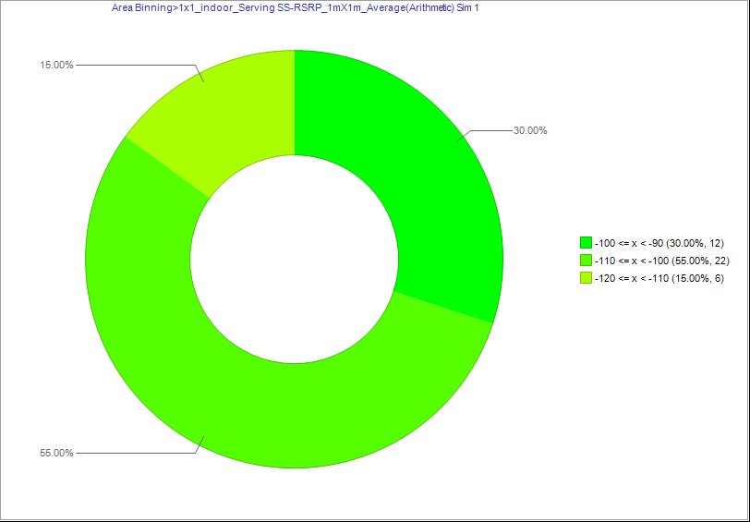
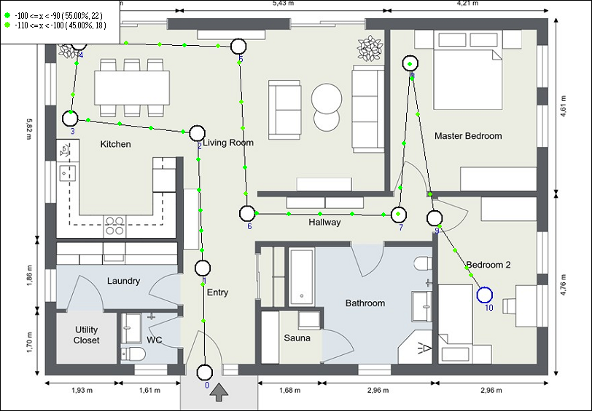
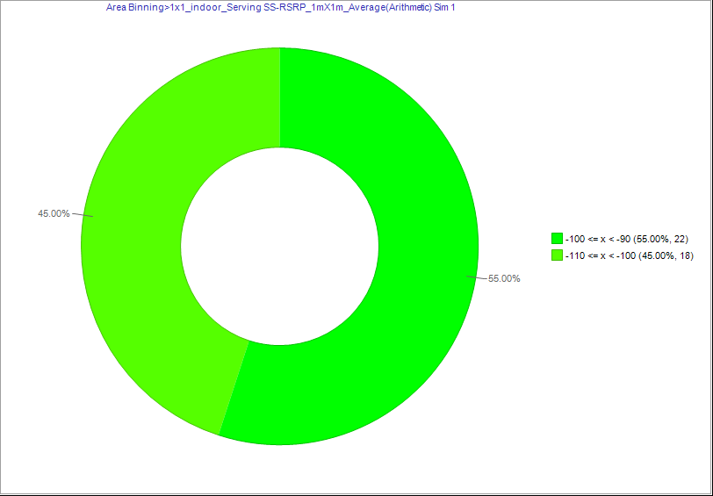

 |  | D_1x1_indoor_Serving SS-RSRP_1mX1m_Average(Arithmetic)_&_1x1_indoor_Serving SS-RSRP_1mX1m_Average(Arithmetic)
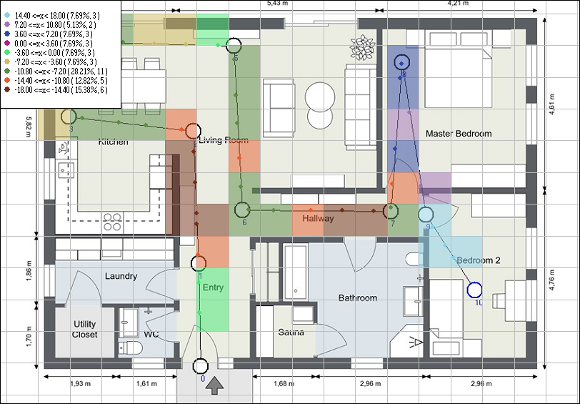

Serving SS-RSRQ | Serving SS-RSRQ | Serving SS-RSRQ | Serving SS-RSRQ

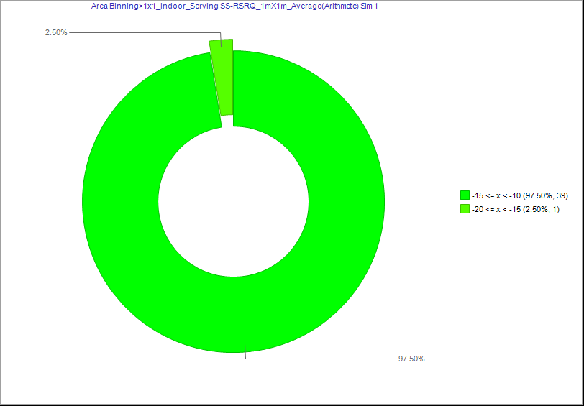
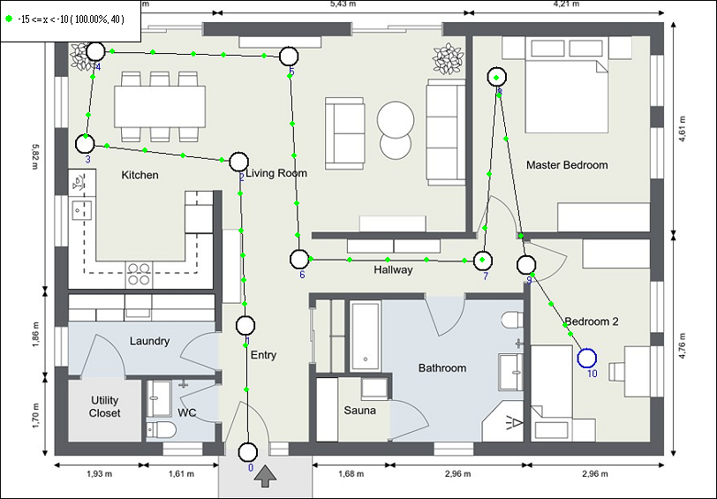
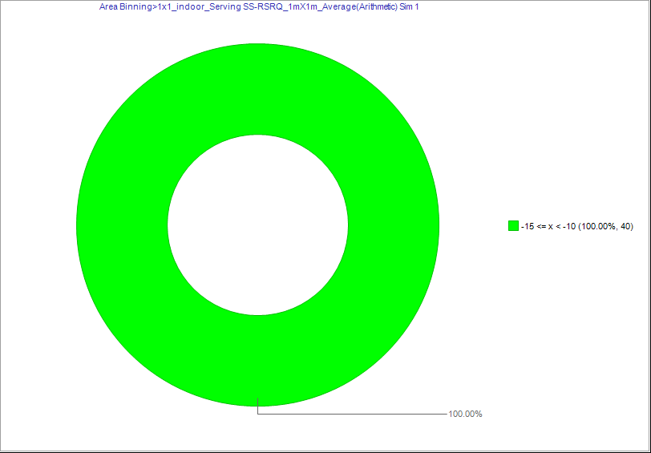

Serving SS-SINR | Serving SS-SINR | Serving SS-SINR | Serving SS-SINR

